W2
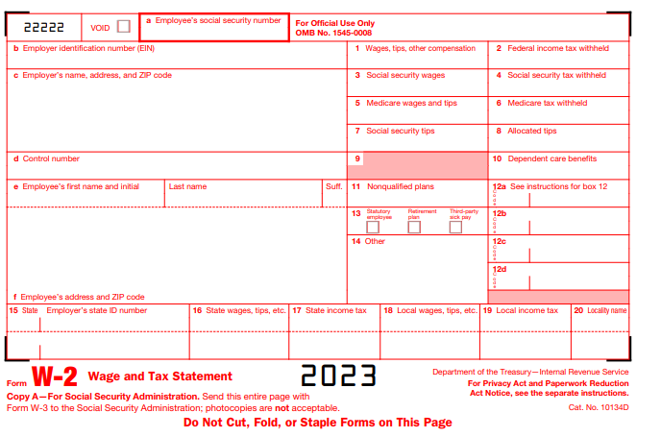
# | Filed description / Question | Field type | Mandatory? | Field type | Max Character Length |  | Comment
 | Year | Numeric | Yes | Number | 4 |  | If Tax Year, Employer EIN and Employee SSN same, then do not enter same W2
 | Employee’s social security number | Text box | Yes | Number | 11 |  | Including Hyphen (-) it should be 11 Digits. Format 111-11-1111
 | Employer identification number (EIN) | Text box | Yes | Number | 10 |  | Including Hyphen (-) it should be 10 Digits. Format 11-1111111
 | Employer’s name, address, and ZIP code | Text box | Yes | AlphaNumeric | 50 Plus characters |  | Name and address boxes should be separate and we need auto flow of State ,city and County if we enter the Zipcode and adddress should be separate boxes like (Street Add,City, County,State and Zipcode)
 | Control number | Text box | No | AlphaNumeric | 50 Plus characters
 | Employee’s first name and initial | Text box | Yes | AlphaNumeric | 10 Plus characters | done | Based on the dropdown which we selected it should auto flow from taxpayer tab. Ex:taxpayer/spouse.
 | Last name | Text box | Yes | AlphaNumeric | 10 Plus characters | done | Based on the dropdown which we selected it should auto flow from taxpayer tab. Ex:taxpayer/spouse.
 | Suff. | Text box | No | AlphaNumeric | 1 | NA | Based on the dropdown which we selected it should auto flow from taxpayer tab. Ex:taxpayer/spouse.
 | Employee’s address and ZIP code | Text box | Yes | AlphaNumeric | 50 Plus characters | done | Auto flow is working but We need employee's adddress should be separate boxes like (Street Add,City, County,State and Zipcode)
1 | Wages, tips, other compensation | Text box | Yes | Currency | 10 |  | Including Comma (,) and Dot (.)
2 | Federal income tax withheld | Text box | Yes | Currency | 10 |  | Including Comma (,) and Dot (.)
3 | Social security wages | Text box | Yes | Currency | 10 |  | Including Comma (,) and Dot (.)
4 | Social security tax withheld | Text box | Yes | Currency | 10 |  | Including Comma (,) and Dot (.)
5 | Medicare wages and tips | Text box | Yes | Currency | 10 |  | Including Comma (,) and Dot (.)
6 | Medicare tax withheld | Text box | Yes | Currency | 10 |  | Including Comma (,) and Dot (.)
7 | Social security tips | Text box | No | Currency | 10 |  | Including Comma (,) and Dot (.)
8 | Allocated tips | Text box | No | Currency | 10 |  | Including Comma (,) and Dot (.)
9 | Blank Column (Used to reflect a now-defunct Tax perk) | Text box | No | Currency | 10 |  | Including Comma (,) and Dot (.)
10 | Dependent care benefits | Text box | No | Currency | 10 |  | Including Comma (,) and Dot (.)
11 | Nonqualified plans | Text box | No | Currency | 10 |  | Including Comma (,) and Dot (.)
12 | See instructions for box 12 (12a/b/c/d) | Text box | May be | Other | 2 | done | Code Length - 2 Characters and Currency Length upto 10 Numbers including Comma (,) and Dot (.) Need to add drop down boxes Min 4 Max 6. (Same as which is shown in the reference W2) it should be codes as dropdown.
13 | Statutory employee/ Retirement plan/ Third-party sick pay | Text box | No | Other | 1 |  | Check box Need to give three radio buttons | 2023-09-14
14 | Other | Text box | No | Other | 50 Plus characters | done | Code Length - upto 10 characters and Currency Length upto 10 characters including Dot (.) - No comma (,) in this box | Not completed
15 | State/ Employer’s state ID number | Text box | May be | Other | 20 Plus characters | done | State Length - 2 Alphabets and State ID Number Length - 12 numbers including Slash (/) US 50 state codes must be drop down. We need to split into 2 boxes (1). US state codes (Ex: FL, NY) (2).It should be in alpha numerical. | need to give more columns
16 | State wages, tips, etc. | Text box | May be | Currency | 10 |  | Including Comma (,) and Dot (.) | need to give more columns | 2023-09-14 | Not completed
17 | State income tax | Text box | May be | Currency | 10 |  | Including Comma (,) and Dot (.) | need to give more columns | 2023-09-14
18 | Local wages, tips, etc. | Text box | May be | Currency | 10 |  | Including Comma (,) and Dot (.) | need to give more columns | 2023-09-14
19 | Local income tax | Text box | May be | Currency | 10 |  | Including Comma (,) and Dot (.) | need to give more columns | 2023-09-14
20 | Locality name | Text box | May be | AlphaNumeric | 20 | done | Alphabets Including Space | need to give more columns | 2023-09-14 | Not completed

1099-INT
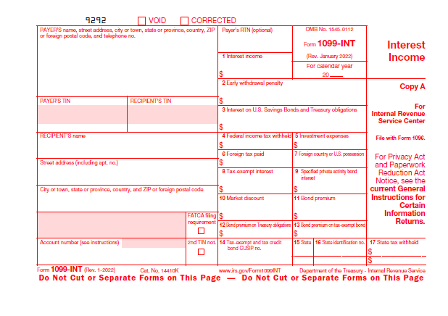
# | Filed description / Question | Field type | Mandatory? | Field type | Max Character Length |  | Comment
 | Year | Numeric | Yes | Number | 4 |  | If Tax year, PAYER’S TIN, RECIPIENT’S TIN and Account Number same, then do not enter same 1099-INT
 | PAYER’S name, street address, city or town, state or province, country, ZIP or foreign postal code, and telephone no. | Large text box | No | AlphaNumeric | 50 Plus characters | done | Only Name is required,payers address is not a mandatory field for this
 | Payer's TIN | Text box | Yes | Number | 10 |  | Including Hyphen (-) it should be 10 Digits. Format 11-1111111
 | Recipient's TIN | Text box | Yes | Number | 11 |  | Need to auto flow from Tax payer Tab
 | Recipient's Name | Text box | Yes | AlphaNumeric | 10 Plus characters | done | Need to auto flow from Tax payer Tab
 | Recipient's Street Address (including apt. no.) | Text box | Yes | AlphaNumeric | 50 Plus characters | done | Auto flow is working but We need employee's adddress should be separate boxes like (Street Add,City, County,State and Zipcode)
 | Recipient's city, state, country and Zip code | Text box | Yes | AlphaNumeric | 50 Plus characters | done | Auto flow is working but We need employee's adddress should be separate boxes like (Street Add,City, County,State and Zipcode)
 | FACTA filing Requirement | Check box | No | Other | 1 |  | Check box
 | Account Number | Text box | No | AlphaNumeric | 10 Plus characters | ask | Including Slash (/) and Hyphen (-)
 | Payer's RTN (Optional) | Text box | No | Number | 9
1 | Interest Income | Text box | Yes | Currency | 10 |  | Including Comma (,) and Dot (.)
2 | Early withdrawal penalty | Text box | No | Currency | 10 |  | Including Comma (,) and Dot (.)
3 | Interest on U.S. Savings Bonds and Treasury obligations | Text box | May be | Currency | 10 |  | Including Comma (,) and Dot (.)
4 | Federal income tax withheld | Text box | No | Currency | 10 |  | Including Comma (,) and Dot (.)
5 | Investment expenses | Text box | No | Currency | 10 |  | Including Comma (,) and Dot (.)
6 | Foreign tax paid | Text box | No | Currency | 10 |  | Including Comma (,) and Dot (.)
7 | Foreign country or U.S. possession | Text box | No | Other | 10 |  | Alphabets
8 | Tax-exempt interest | Text box | No | Currency | 10 |  | Including Comma (,) and Dot (.)
9 | Specified private activity bond Interest | Text box | No | Currency | 10 |  | Including Comma (,) and Dot (.)
10 | Market discount | Text box | No | Currency | 10 |  | Including Comma (,) and Dot (.)
11 | Bond premium | Text box | No | Currency | 10 |  | Including Comma (,) and Dot (.)
12 | Bond premium on Treasury obligations | Text box | No | Currency | 10 |  | Including Comma (,) and Dot (.)
13 | Bond premium on tax-exempt bond | Text box | No | Currency | 10 |  | Including Comma (,) and Dot (.)
14 | Tax-exempt and tax credit bond CUSIP no. | Text box | No | AlphaNumeric | 10 Plus characters
15 | State | Text box | No | Other | 2 |  | Alphabets
16 | State identification no. | Text box | No | Number | 12 |  | Including Slash (/)
17 | State tax withheld | Text box | No | Currency | 10 |  | Including Comma (,) and Dot (.)

1099-DIV
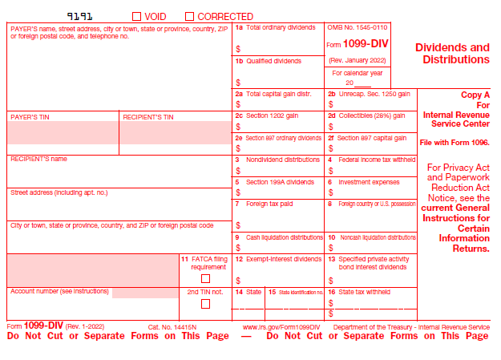
# | Filed description / Question | Field type | Mandatory? | Field type | Max Character Length |  | Comment
 | Year | Numeric | Yes | Number | 4 |  | If Tax year, PAYER’S TIN, RECIPIENT’S TIN and Account Number same, then do not enter same 1099-DIV
 | PAYER’S name, street address, city or town, state or province, country, ZIP or foreign postal code, and telephone no. | Large text box | No | AlphaNumeric | 50 Plus characters | ask | Only Name is required,payers address is not a mandatory field for this
 | Payer's TIN | Text box | Yes | Number | 10 |  | Including Hyphen (-) it should be 10 Digits. Format 11-1111111
 | Recipient's TIN | Text box | Yes | Number | 11 |  | Need to auto flow from Tax payer Tab
 | Recipient's Name | Text box | Yes | AlphaNumeric | 10 Plus characters | done | Need to auto flow from Tax payer Tab
 | Recipient's Street Address (including apt. no.) | Text box | Yes | AlphaNumeric | 50 Plus characters | done | Auto flow is working but We need employee's adddress should be separate boxes like (Street Add,City, County,State and Zipcode)
 | Recipient's city, state, country and Zip code | Text box | Yes | AlphaNumeric | 50 Plus characters | done | Auto flow is working but We need employee's adddress should be separate boxes like (Street Add,City, County,State and Zipcode)
 | Account Number | Text box | No | AlphaNumeric | 10 Plus characters | ask | Including Slash (/) and Hyphen (-)
 | 2nd TIN not. | Check box | No | Other | 1 |  | Check box
1a | Total ordinary dividends | Text box | Yes | Currency | 10 |  | Including Comma (,) and Dot (.)
1b | Qualified dividends | Text box | Yes | Currency | 10 |  | Including Comma (,) and Dot (.)
2a | Total capital gain distr. | Text box | May be | Currency | 10 |  | Including Comma (,) and Dot (.)
2b | Unrecap. Sec. 1250 gain | Text box | No | Currency | 10 |  | Including Comma (,) and Dot (.)
2c | Section 1202 gain | Text box | No | Currency | 10 |  | Including Comma (,) and Dot (.)
2d | Collectibles (28%) gain | Text box | No | Currency | 10 |  | Including Comma (,) and Dot (.)
2e | Section 897 ordinary dividends | Text box | No | Currency | 10 |  | Including Comma (,) and Dot (.)
2f | Section 897 capital gain | Text box | No | Currency | 10 |  | Including Comma (,) and Dot (.)
3 | Nondividend distributions | Text box | No | Currency | 10 |  | Including Comma (,) and Dot (.)
4 | Federal income tax withheld | Text box | No | Currency | 10 |  | Including Comma (,) and Dot (.)
5 | Section 199A dividends | Text box | No | Currency | 10 |  | Including Comma (,) and Dot (.)
6 | Investment expenses | Text box | No | Currency | 10 |  | Including Comma (,) and Dot (.)
7 | Foreign tax paid | Text box | No | Currency | 10 | done | Including Comma (,) and Dot (.)
8 | Foreign country or U.S. possession | Text box | No | Other | 10 |  | Alphabets
9 | Cash liquidation distributions | Text box | No | Currency | 10 |  | Including Comma (,) and Dot (.)
10 | Noncash liquidation distributions | Text box | No | Currency | 10 |  | Including Comma (,) and Dot (.)
11 | FACTA filing Requirement | Check box | No | Other | 1 |  | Check box
12 | Exempt-interest dividends | Text box | No | Currency | 10 |  | Including Comma (,) and Dot (.)
13 | Specified private activity bond interest dividends | Text box | No | Currency | 10 |  | Including Comma (,) and Dot (.)
14 | State | Text box | No | Other | 2 |  | Alphabets
15 | State identification no. | Text box | No | Number | 12 |  | Including Slash (/)
16 | State tax withheld | Text box | No | Currency | 10 |  | Including Comma (,) and Dot (.)

1099-R
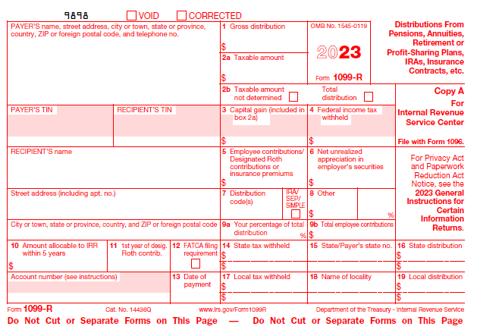
# | Filed description / Question | Field type | Mandatory? | Field type | Max Character Length |  | Comment
 | Year | Numeric | Yes | Number | 4 |  | If Tax Year, PAYER’S TIN, RECIPIENT’S TIN and Account Number same, then do not enter same 1099-R
 | PAYER’S name, street address, city or town, state or province, country, ZIP or foreign postal code, and telephone no. | Large text box | Yes | AlphaNumeric | 50 Plus characters | done | Name and address boxes should be separate and we need auto flow of State ,city and County if we enter the Zipcode and adddress should be separate boxes like (Street Add,City, County,State and Zipcode)
 | PAYER’S TIN | Text box | Yes | Number | 10 |  | Including Hyphen (-) it should be 10 Digits. Format 11-1111111
 | RECIPIENT’S TIN | Text box | Yes | Number | 11 | done | Need to auto flow from Tax payer Tab
 | RECIPIENT’S name | Large text box | Yes | AlphaNumeric | 10 Plus characters | done | Need to auto flow from Tax payer Tab
 | Street address (including apt. no.) | Text box | Yes | AlphaNumeric | 50 Plus characters | done | Auto flow is working but We need employee's adddress should be separate boxes like (Street Add,City, County,State and Zipcode)
 | City or town, state or province, country, and ZIP or foreign postal code | Text box | Yes | AlphaNumeric | 50 Plus characters | done | Auto flow is working but We need employee's adddress should be separate boxes like (Street Add,City, County,State and Zipcode)
1 | Gross distribution | Text box | Yes | Currency | 10 |  | Including Comma (,) and Dot (.)
2a | Taxable amount | Text box | Yes | Currency | 10 |  | Including Comma (,) and Dot (.)
2b | Taxable amount not determined | Check box | No | Other | 1 |  | Check Box
 | Total distribution | Check box | No | Other | 1 |  | Check Box
3 | Capital gain (included in box 2a) | Text box | No | Currency | 10 |  | Including Comma (,) and Dot (.)
4 | Federal income tax withheld | Text box | No | Currency | 10 |  | Including Comma (,) and Dot (.)
5 | Employee contributions/ Designated Roth contributions or insurance premiums | Text box | No | Currency | 10 |  | Including Comma (,) and Dot (.)
6 | Net unrealized appreciation in employer’s securities | Text box | No | Currency | 10 |  | Including Comma (,) and Dot (.)
7 | Distribution code(s) | Check box | Yes | AlphaNumeric | 2 |  | Drop Down menu
 | IRA/ SEP/ SIMPLE | Check box | No | Other | 1 | Need to add 3 check boxes for each | Check Box
8 | Other | Text box | No | Other | 10 |  | This box has 2 types of values. Currency - Length 10 digits Including Comma (,) and Dot (.) and % - Length 3 digits
9a | Your percentage of total distribution | Text box | No | Number | 3
9b | Total employee contributions | Text box | No | Currency | 10 |  | Including Comma (,) and Dot (.)
10 | Amount allocable to IRR within 5 years | Text box | No | Currency | 10 |  | Including Comma (,) and Dot (.)
11 | 1st year of desig. Roth contrib. | Text box | No | Number | 4
12 | FATCA filing requirem | Check box | May be | Other | 1 |  | Check Box
13 | Date of payment | Text box | No | Number | 10 |  | Including Slash (/)
14 | State tax withheld | Text box | No | Currency | 10 |  | Including Comma (,) and Dot (.)
15 | State/Payer’s state no. | Text box | No | Other | 20 Plus characters |  | State Length - 2 Alphabets and Payer's State number Length - 12 numbers including Slash (/)
16 | State distribution | Text box | No | Currency | 10 |  | Including Comma (,) and Dot (.)
17 | Local tax withheld | Text box | No | Currency | 10 |  | Including Comma (,) and Dot (.)
18 | Name of locality | Text box | No | Other | 10 |  | Alphabets
19 | Local distribution | Text box | No | Currency | 10 |  | Including Comma (,) and Dot (.)
 | Account number (see instructions) | Text box | No | AlphaNumeric | 10 Plus characters |  | Including Slash (/) and Hyphen (-)

SSA-1099
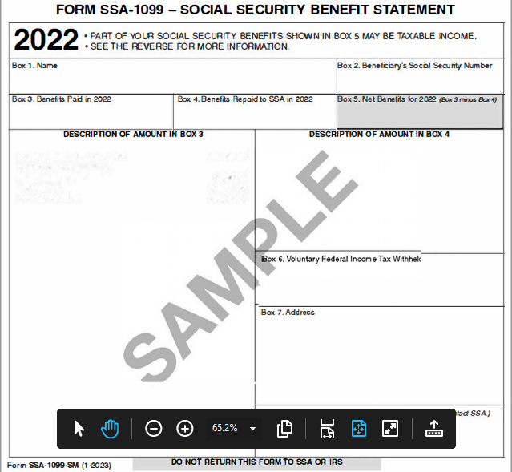
# | Filed description / Question | Field type | Mandatory? | Field type | Max Character Length | Comment
 | Year | Numeric | Yes | Number | 4 | If Tax Year, Beneficiary's Social Security number and Descprition of amount in Box 4 same, then do not enter same SSA-1099
1 | Name | Text box | Yes | AlphaNumeric | 10 Plus(ask)
2 | Beneficiary’s Social Security Number | Text box | Yes | Number | 11 | Including Hyphen (-) it should be 11 Digits. Format 111-11-1111
3 | Benefits Paid in 2022 | Text box | Yes | Currency | 10 | Including Comma (,) and Dot (.)
4 | Benefits Repaid to SSA in 2022 | Text box | No | Currency | 10 | Including Comma (,) and Dot (.)
 | DESCRIPTION OF AMOUNT IN BOX 4 | Large text box | No | AlphaNumeric | 50 Plus characters
5 | Net Benefits for 2016 (Box 3 minus Box 4) | Text box | Yes | Currency | 10 | Including Comma (,) and Dot (.)
6 | Voluntary Federal Income Tax Withheld | Text box | No | Currency | 10 | Including Comma (,) and Dot (.)
7 | Address | Large text box | Yes | AlphaNumeric | 50 Plus characters | Auto flow is working but We need employee's adddress should be separate boxes like (Street Add,City, County,State and Zipcode)
8 | Claim Number (Use this number if you need to contact SSA.) | Text box | No | Number | 10 Plus characters

Capital Gain_1099-B
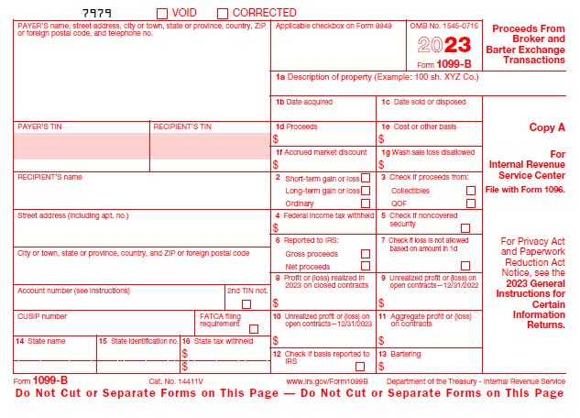
# | Filed description / Question | Field type | Mandatory? | Field type | Max Character Length |  | Comment
 | Year | Numeric | Yes | Number | 4 |  | If Tax Year, PAYER’S TIN, RECIPIENT’S TIN and Account Number same, then do not enter same Capital Gain
 | PAYER’S name, street address, city or town, state or province, country, ZIP or foreign postal code, and telephone no. | Large text box | No | AlphaNumeric | 50 Plus characters | ask | Only Name is required,payers address is not a mandatory field for this
 | PAYER’S TIN | Text box | Yes | Number | 10 |  | Including Hyphen (-) it should be 10 Digits. Format 11-1111111
 | RECIPIENT’S TIN | Text box | Yes | Number | 11 | ask | Including Hyphen (-) it should be 11 Digits. Format 111-11-1111 it should be auto flow.
 | RECIPIENT’S name | Text box | Yes | AlphaNumeric | 10 Plus | done | Need to auto flow from Tax payer Tab
 | Street address (including apt. no.) | Large text box | Yes | AlphaNumeric | 50 Plus characters | done | Auto flow is working but We need employee's adddress should be separate boxes like (Street Add,City, County,State and Zipcode)
 | City or town, state or province, country, and ZIP or foreign postal code | Text box | Yes | AlphaNumeric | 50 Plus characters | done | Auto flow is working but We need employee's adddress should be separate boxes like (Street Add,City, County,State and Zipcode)
 | Account number (see instructions) | Text box | No | AlphaNumeric | 10 Plus characters |  | Including Slash (/) and Hyphen (-)
 | 2nd TIN not | Check box | No | Other | 1
 | CUSIP number | Text box | No | Other | 1
 | FATCA filing requiremen | Check box | No | Other | 1
 | Applicable checkbox on Form 8949 | Text box | No | Other | 1
1a | Description of property (Example: 100 sh. XYZ Co.) | Text box | Yes | AlphaNumeric | 50 Plus characters
1b | Date acquired | Text box | Yes | AlphaNumeric | 10 | done | Including Slash (/) need to type text please updte
1c | Date sold or disposed | Text box | Yes | Number | 10 | done | Including Slash (/)
1b | Proceeds | Text box | Yes | Currency | 10 |  | Including Comma (,) and Dot (.)
1e | Cost or other basis | Text box | Yes | Currency | 10 |  | Including Comma (,) and Dot (.)
1f | Accrued market discount | Text box | No | Currency | 10 |  | Including Comma (,) and Dot (.)
1g | Wash sale loss disallowed | Text box | No | Currency | 10 |  | Including Comma (,) and Dot (.)
2 | Short-term gain or loss/ Long-term gain or loss/Ordinary | Check box | Yes | Other | 1 | remain | It should be shown short tem proceeds saparate and long term procceds bcz tax rates are different.
Number | 4 | Check box | Yes | Other | 1
4 | Federal income tax withheld | Text box | No | Currency | 10 |  | Including Comma (,) and Dot (.)
5 | If checked, noncovered security | Check box | No | Other | 1
6 | Reported to IRS: Gross proceeds/ Net proceeds | Check box | No | Other | 1
7 | If checked, loss is not allowed based on amount in 1d | Check box | No | Other | 1
8 | Profit or (loss) realized in 2023 on closed contracts | Text box | No | Currency | 10 |  | Including Comma (,) and Dot (.)
9 | Unrealized profit or (loss) on open contracts—12/31/2022 | Text box | No | Currency | 10 |  | Including Comma (,) and Dot (.)
10 | Unrealized profit or (loss) on open contracts—12/31/2023 | Text box | No | Currency | 10 |  | Including Comma (,) and Dot (.)
11 | Aggregate profit or (loss) on contracts | Text box | No | Currency | 10 |  | Including Comma (,) and Dot (.)
12 | If checked, basis reported to IRS | Check box | No | Other | 1
13 | Bartering | Text box | No | Currency | 10 |  | Including Comma (,) and Dot (.)
14 | State name | Text box | No | AlphaNumeric | 2
15 | State identification no | Text box | No | Number | 11 |  | Including Hyphen (-) it should be 11 Digits
16 | State tax withheld | Text box | No | Currency | 10 |  | Including Comma (,) and Dot (.)

1099-G
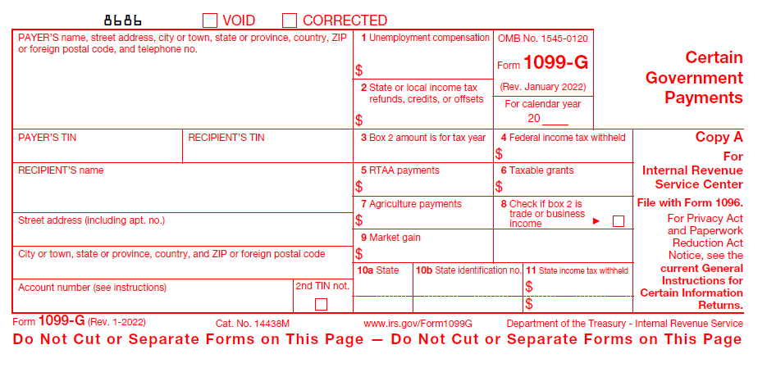
# | Filed description / Question | Field type | Mandatory? | Field type | Max Character Length |  | Comment
 | Year | Numeric | Yes | Number | 4 |  | If Tax Year, PAYER’S TIN, RECIPIENT’S TIN and Account Number same, then do not enter same 1099-G
 | Payer's Name and complete address | Large text box | No | AlphaNumeric | 50 Plus characters | ask | Name and address boxes should be separate and we need auto flow of State ,city and County if we enter the Zipcode and adddress should be separate boxes like (Street Add,City, County,State and Zipcode)
 | Payer's TIN | Text box | Yes | Number | 10 |  | Including Hyphen (-) it should be 10 Digits. Formate 11-1111111 Need to be in EIN format (12-3456789)
 | Recipient's TIN | Text box | Yes | Number | 11 | ask | Including Hyphen (-) it should be 11 Digits. Formate 111-11-1111 Need to be in SSN format (123-45-6789)
 | Recipient's Name | Text box | Yes | AlphaNumeric | 10 Plus characters | done | Need to auto flow from Tax payer Tab
 | Recipient's Street Address | Text box | Yes | AlphaNumeric | 50 Plus characters | done | Need to auto flow from Tax payer Tab
 | Recipient's city, state, country and Zip code | Text box | Yes | AlphaNumeric | 50 Plus characters | done | Need to auto flow from Tax payer Tab
 | Account Number | Text box | No | AlphaNumeric | 10 Plus characters | ask | Including Slash (/) and Hyphen (-)
 | 2nd TIN not. | Check box | No | Other | 1
1 | Unemployment compensation | Text box | May be | Currency | 10 | ask | Including Coma (,) and Dot (.)
2 | State or local income tax refunds, credits, or offsets(Box 2) | Text box | May be | Currency | 10 | ask | Including Coma (,) and Dot (.)
3 | Box 2 amount is for tax year | Text box | No | Currency | 10 |  | Including Coma (,) and Dot (.)
4 | Federal income tax withheld | Text box | Yes | Currency | 10 |  | Including Coma (,) and Dot (.)
5 | RTAA payments | Text box | No | Currency | 10 |  | Including Coma (,) and Dot (.)
6 | Taxable grants | Text box | No | Currency | 10 |  | Including Coma (,) and Dot (.)
7 | Agriculture payments | Text box | No | Currency | 10 |  | Including Coma (,) and Dot (.)
8 | Check if box 2 is trade or business income | Check box | No | Other | 1
9 | Market gain | Text box | No | Currency | 10 |  | Including Coma (,) and Dot (.)
10a | State | Text box | No | AlphaNumeric | 2
10b | State identification no. | Text box | No | Number | 11 |  | Including Hyphen (-) it should be 11 Digits
11 | State tax withheld | Text box | No | Currency | 10 |  | Including Coma (,) and Dot (.)

1099-S
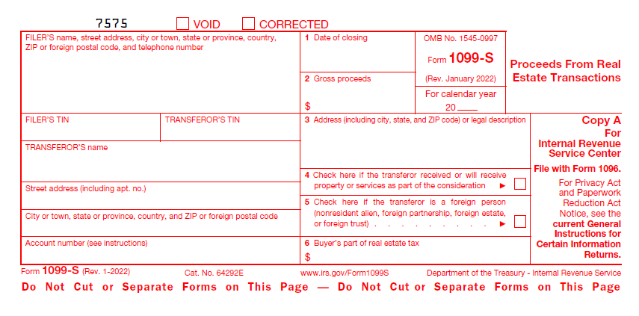
# | Filed description / Question | Field type | Mandatory? | Field type | Max Character Length | Comment
 | Year | Numeric | Yes | Number | 4 | If Tax Year, FILER’S TIN and TRANSFEROR’S TIN same, then do not enter same 1099-S
 | FILER’S name, street address, city or town, state or province, country, ZIP or foreign postal code, and telephone number | Large text box | Yes | AlphaNumeric | 50 Plus characters | Need to auto flow from Tax payer Tab Auto flow is working but We need employee's adddress should be separate boxes like (Street Add,City, County,State and Zipcode)
 | FILER’S TIN | Text box | Yes | Number | 11 | Including Hyphen (-) it should be 11 Digits. Format 111-11-1111
 | TRANSFEROR’S TIN | Text box | Yes | Number | 10 | Including Hyphen (-) it should be 10 Digits. Format 11-1111111 Need to auto flow from Tax payer Tab
 | TRANSFEROR’S name | Text box | Yes | AlphaNumeric | 10 Plus characters
 | Street address (including apt. no.) | Text box | Yes | AlphaNumeric | 50 Plus characters
 | City or town, state or province, country, and ZIP or foreign postal code | Text box | Yes | AlphaNumeric | 50 Plus characters
 | Account number (see instructions) | Text box | No | AlphaNumeric | 10 Plus characters | Including Slash (/) and Hyphen (-)
1 | Date of closing | Text box | Yes | Number | 10 | Including Slash (/)
2 | Gross proceeds | Text box | Yes | Currency | 10 | Including Comma (,) and Dot (.)
3 | Address (including city, state, and ZIP code) or legal description | Text box | Yes | AlphaNumeric | 50 Plus characters
4 | Check here if the transferor received or will receive property or services as part of the consideration | Check box | No | Other | 1
5 | Check here if the transferor is a foreign person (nonresident alien, foreign partnership, foreign estate, or foreign trust) | Check box | No | Other | 1
6 | Buyer’s part of real estate tax | Text box | No | Currency | 10 | Including Comma (,) and Dot (.)

1099-NEC
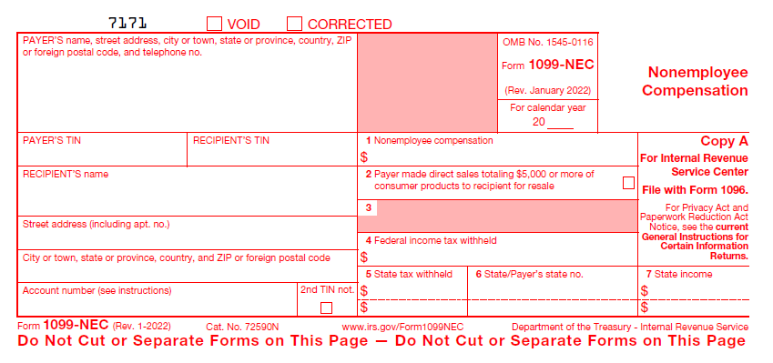
# | Filed description / Question | Field type | Mandatory? | Field type | Max Character Length |  | Comment
 | Year | Numeric | Yes | Number | 4 |  | If Tax Year, PAYER’S TIN, RECIPIENT’S TIN and Account Number same, then do not enter same 1099-NEC
 | PAYER’S name, street address, city or town, state or province, country, ZIP or foreign postal code, and telephone no. | Large text box | Yes | AlphaNumeric | 50 Plus |  | Address boxes should be separate and we need auto flow of State ,city and County if we enter the Zipcode and adddress should be separate boxes like (Street Add,City, County,State and Zipcode)
 | For calendar year | Text box | No | Number | 4
 | PAYER’S TIN | Text box | Yes | Number | 10 |  | Including Hyphen (-) it should be 10 Digits. Format 11-1111111
 | RECIPIENT’S TIN | Text box | Yes | Number | 11 |  | Including Hyphen (-) it should be 11 Digits. Format 111-11-1111 Need to auto flow from Tax payer Tab
 | RECIPIENT’S name | Large text box | Yes | AlphaNumeric | 10 Plus | done | Including Coma (,) Need to auto flow from Tax payer Tab
 | Street address (including apt. no.) | Text box | Yes | AlphaNumeric | 10 Plus | done | Including Coma (,) Need to auto flow from Tax payer Tab
 | City or town, state or province, country, and ZIP or foreign postal code | Text box | Yes | AlphaNumeric | 20 plus | done | Including Coma (,) Need to auto flow from Tax payer Tab
 | Account number (see instructions) | Text box | No | AlphaNumeric | 10 Plus |  | Including Hyphen (-)
1 | Nonemployee compensation | Text box | Yes | Currency | Max length 10 |  | Including Dots (.) & Coma (,)
2 | Payer made direct sales totaling $5,000 or more of consumer products to recipient for resale | Check box | No | Other | Max length 1 |  | Tik mark
3 | Blank
4 | Federal income tax withheld | Text box | No | Currency | Max length 10 |  | Including Dots (.) & Coma (,)
5 | State tax withheld | Text box | No | Currency | Max length 10 |  | Including Dots (.) & Coma (,)
6 | State/Payer’s state no. | Text box | No | Number | 11 | Text and number | Including Hyphen (-) it should be 11 Digits
7 | State income | Text box | No | Currency | Max length 10 |  | Including Dots (.) & Coma (,)

1099-MISC
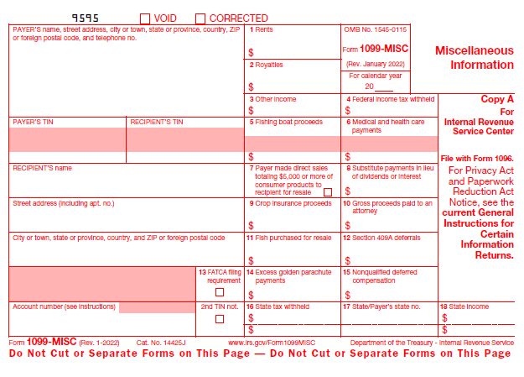
# | Filed description / Question | Field type | Mandatory? | Field type | Max Character Length |  | Comment
 | Year | Numeric | Yes | Number | 4 |  | If Tax Year, PAYER’S TIN, RECIPIENT’S TIN and Account Number same, then do not enter same 1099-MISC
 | Payer's Name and complete address | Large text box | Yes | AlphaNumeric | 50 Plus
 | Payer's TIN | Text box | Yes | Number | 10 |  | Including Hyphen (-) it should be 10 Digits. Format 11-1111111
 | Recipient's TIN | Text box | Yes | Number | 11 |  | Including Hyphen (-) it should be 11 Digits. Format 111-11-1111 Need to auto flow from Tax payer Tab
 | Recipient's Name | Text box | Yes | AlphaNumeric | 10 Plus | done | Including Coma (,) Auto flow is working but We need employee's adddress should be separate boxes like (Street Add,City, County,State and Zipcode)
 | Recipient's Street Address | Text box | Yes | AlphaNumeric | 10 Plus | done | Including Coma Auto flow is working but We need employee's adddress should be separate boxes like (Street Add,City, County,State and Zipcode)
 | Recipient's city, state, country and Zip code | Text box | Yes | AlphaNumeric | 20 plus | done | Including Coma (,) Auto flow is working but We need employee's adddress should be separate boxes like (Street Add,City, County,State and Zipcode)
 | FACTA filing Requirement | Check box | No | Other | Max length 1 |  | Tik mark
 | Account Number | Text box | No | AlphaNumeric | 20 Plus
 | 2nd TIN not. | Check box | No | Other | Max length 1 |  | Tik mark
1 | Rents | Text box | May be | Currency | Max length 10 | ask | Including Dots (.) & Coma (,)
2 | Royalties | Text box | May be | Currency | Max length 10 | ask | Including Dots (.) & Coma (,)
3 | Other income | Text box | May be | Currency | Max length 10 | ask | Including Dots (.) & Coma (,)
4 | Federal income tax withheld | Text box | May be | Currency | Max length 10 | ask | Including Dots (.) & Coma (,)
5 | Fishing boat proceeds | Text box | No | Currency | Max length 10 |  | Including Dots (.) & Coma (,)
6 | Medical and health care payments | Text box | No | Currency | Max length 10 |  | Including Dots (.) & Coma (,)
7 | Payer made direct sales totaling $5,000 or more of consumer products to recipient for resale | Check box | No | Other | Max length 1 |  | Tik mark
8 | Substitute payments in lieu of dividends or interest | Text box | No | Currency | Max length 10 |  | Including Dots (.) & Coma (,)
9 | Crop insurance proceeds | Text box | No | Currency | Max length 10 |  | Including Dots (.) & Coma (,)
10 | Gross proceeds paid to an attorney | Text box | No | Currency | Max length 10 |  | Including Dots (.) & Coma (,)
11 | Fish purchased for resale | Text box | No | Currency | Max length 10 |  | Including Dots (.) & Coma (,)
12 | Section 409A deferrals | Text box | No | Currency | Max length 10 |  | Including Dots (.) & Coma (,)
13 | FATCA filing requiremen | Check box | No | Currency | Max length 10 |  | Including Dots (.) & Coma (,)
14 | Excess golden parachute payments | Text box | No | Currency | Max length 10 |  | Including Dots (.) & Coma (,)
15 | Nonqualified deferred compensation | Text box | No | Currency | Max length 10 |  | Including Dots (.) & Coma (,)
16 | State tax withheld | Text box | No | Currency | Max length 10 |  | Including Dots (.) & Coma (,)
17 | State/Payer’s state no. | Text box | No | Number | 11 |  | Including Hyphen (-) it should be 11 Digits
18 | State income | Text box | No | Currency | Max length 10 |  | Including Dots (.) & Coma (,)

Schedule K-1 (1065)
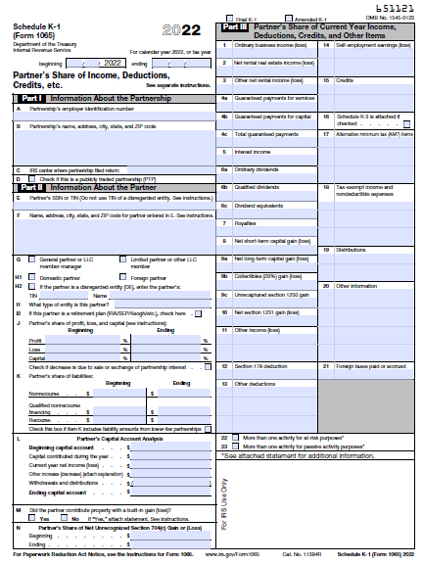
# | Filed description / Question | Field type | Mandatory? | Field type | Max Character Length |  | Comment
 | Year | Numeric | Yes | Number | 4 |  | If Tax Year, Partnership’s EIN and Partner’s SSN/ TIN same, then do not enter same Schedule K-1
 | Partnership’s employer identification number | Text box | Yes | Number | 10 |  | Including Hyphen (-) it should be 10 Digits. Format 11-1111111
 | Partnership’s name, address, city, state, and ZIP code | Large text box | Yes | AlphaNumeric | 50 Plus |  | Including Coma (,)
 | IRS center where partnership filed return: | Text box | No | AlphaNumeric | 5 Plus | ask | Including Coma (,)
 | Check if this is a publicly traded partnership (PTP) | Check box | No | Other | Max length 1 |  | Tik mark
 | Partner’s SSN or TIN (Do not use TIN of a disregarded entity. See instructions.) | Text box | Yes | Number | 11 | done | Including Hyphen (-) it should be 11 Digits. Format 111-11-1111 Based on the dropdown which we selected it should auto flow from taxpayer tab. Ex:taxpayer/spouse.
 | Name, address, city, state, and ZIP code for partner entered in E. See instructions. | Large text box | Yes | AlphaNumeric | 50 Plus | done | Including Coma (,) Based on the dropdown which we selected it should auto flow from taxpayer tab. Ex:taxpayer/spouse.
 | General partner or LLC member-manager | Check box | May be | Other | Max length 1 | ask | Tik mark
 | Limited partner or other LLC member | Check box | May be | Other | Max length 1 |  | Tik mark
 | Domestic partner | Check box | May be | Other | Max length 1 |  | Tik mark
 | Foreign partner | Check box | May be | Other | Max length 1 |  | Tik mark
 | If the partner is a disregarded entity (DE), enter the partner’s: | Check box | May be | Other | Max length 1 |  | Tik mark
 | TIN | Text box | May be | Number | 10 |  | Including Hyphen (-) it should be 10 Digits. Formate 11-1111111
 | Name | Text box | May be | AlphaNumeric | 10 Plus |  | Including Coma (,)
 | What type of entity is this partner? | Text box | May be | AlphaNumeric | 10 Plus
 | If this partner is a retirement plan (IRA/SEP/Keogh/etc.), check here | Check box | No | Other | Max length 1 |  | Tik mark
 | Partner’s share of profit, loss, and capital (see instructions): | Text box | May be | Currency | 10
 | Profit | Text box | May be | Number | Max length 5 |  | Including Dots (.)
 | Loss | Text box | May be | Number | Max length 5 |  | Including Dots (.)
 | Capital | Text box | May be | Number | Max length 5 |  | Including Dots (.)
 | Check if decrease is due to sale or exchange of partnership interest | Check box | No | Other | Max length 1 |  | Tik mark
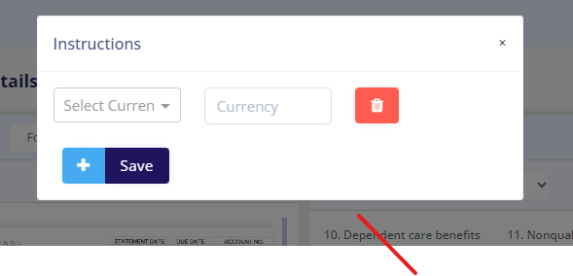
 | Partner’s share of liabilities: | Text box | May be | Currency | 10
 | Nonrecourse | Text box | May be | Currency | Max length 10 |  | Including Dots (.) & Coma (,)
 | Qualified nonrecourse financing | Text box | May be | Currency | Max length 10 |  | Including Dots (.) & Coma (,)
 | Recourse | Text box | May be | Currency | Max length 10 |  | Including Dots (.) & Coma (,)
 | Check this box if item K includes liability amounts from lower-tier partnerships | Check box | No | Other | Max length 1 |  | Tik mark
 | Partner’s Capital Account Analysis | Text box | May be | Currency | 10
 | Beginning capital account | Text box | May be | Currency | Max length 10 |  | Including Dots (.) & Coma (,)
 | Capital contributed during the year | Text box | May be | Currency | Max length 10 |  | Including Dots (.) & Coma (,)
 | Current year net income (loss) | Text box | May be | Currency | Max length 10 |  | Including Dots (.) & Coma (,)
 | Other increase (decrease) (attach explanation | Text box | May be | Currency | Max length 10 |  | Including Dots (.) & Coma (,)
 | Withdrawals and distributions | Text box | May be | Currency | Max length 10 |  | Including Dots (.) & Coma (,)
 | Ending capital account | Text box | May be | Currency | Max length 10 |  | Including Dots (.) & Coma (,)
 | Did the partner contribute property with a built-in gain (loss)? | Check box | No | Other | Max length 1 |  | Tik mark
 | Partner’s Share of Net Unrecognized Section 704(c) Gain or (Loss) | Text box | No | Currency | 10
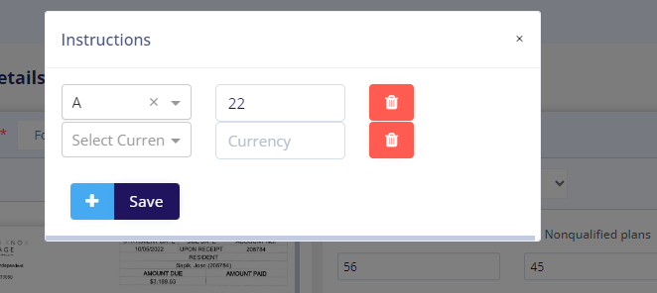
1 | Ordinary business income (loss) | Text box | May be | Currency | Max length 10 |  | Including Dots (.) & Coma (,)
2 | Net rental real estate income (loss) | Text box | May be | Currency | Max length 10 |  | Including Dots (.) & Coma (,)
3 | Other net rental income (loss) | Text box | May be | Currency | Max length 10 |  | Including Dots (.) & Coma (,)
4a | Guaranteed payments for services | Text box | May be | Currency | Max length 10 |  | Including Dots (.) & Coma (,)
4b | Guaranteed payments for capital | Text box | May be | Currency | Max length 10 |  | Including Dots (.) & Coma (,)
4c | Total guaranteed payments | Text box | May be | Currency | Max length 10 |  | Including Dots (.) & Coma (,)
5 | Interest income | Text box | May be | Currency | Max length 10 |  | Including Dots (.) & Coma (,)
6a | Ordinary dividends | Text box | May be | Currency | Max length 10 |  | Including Dots (.) & Coma (,)
6b | Qualified dividends | Text box | May be | Currency | Max length 10 |  | Including Dots (.) & Coma (,)
6c | Dividend equivalents | Text box | May be | Currency | Max length 10 |  | Including Dots (.) & Coma (,)
7 | Royalties | Text box | May be | Currency | Max length 10 |  | Including Dots (.) & Coma (,)
8 | Net short-term capital gain (loss) | Text box | May be | Currency | Max length 10 |  | Including Dots (.) & Coma (,)
9a | Net long-term capital gain (loss) | Text box | May be | Currency | Max length 10 |  | Including Dots (.) & Coma (,)
9b | Collectibles (28%) gain (loss) | Text box | May be | Currency | Max length 10 |  | Including Dots (.) & Coma (,)
9c | Unrecaptured section 1250 gain | Text box | May be | Currency | Max length 10 |  | Including Dots (.) & Coma (,)
10 | Net section 1231 gain (loss) | Text box | May be | Currency | Max length 10 |  | Including Dots (.) & Coma (,)
11 | Other income (loss) | Text box | May be | Currency | Max length 10 | Done | Including Dots (.) & Coma (,) Boxes should be split into 2 boxes, 1st box for codes 2nd box for currency | Please insert the code box as w2 and dropdown not required it should be alphanumerical codes and consisting 2 letters once enter the data it should show extra cell to enter another If there is any amount like second sreenshot.
12 | Section 179 deduction | Text box | May be | Currency | Max length 10 |  | Including Dots (.) & Coma (,)
13 | Other deductions | Text box | May be | Currency | Max length 10 | Done | Including Dots (.) & Coma (,) Boxes should be split into 2 boxes, 1st box for codes 2nd box for currency
14 | Self-employment earnings (loss) | Text box | May be | Currency | Max length 10 | Done | Including Dots (.) & Coma (,) Boxes should be split into 2 boxes, 1st box for codes 2nd box for currency
15 | Credits | Text box | May be | Currency | Max length 10 | Done | Including Dots (.) & Coma (,) Boxes should be split into 2 boxes, 1st box for codes 2nd box for currency
16 | Schedule K-3 is attached if checked . | Check box | May be | Other | Max length 1 |  | Tik mark
17 | Alternative minimum tax (AMT) items | Text box | May be | Currency | Max length 10 | Done | Including Dots (.) & Coma (,) Boxes should be split into 2 boxes, 1st box for codes 2nd box for currency
18 | Tax-exempt income and nondeductible expenses | Text box | May be | Currency | Max length 10 | Done | Including Dots (.) & Coma (,) Boxes should be split into 2 boxes, 1st box for codes 2nd box for currency
19 | Distributions | Text box | May be | Currency | Max length 10 | Done | Including Dots (.) & Coma (,) Boxes should be split into 2 boxes, 1st box for codes 2nd box for currency
20 | Other information | Text box | May be | Currency | Max length 10 | Done | Including Dots (.) & Coma (,) Boxes should be split into 2 boxes, 1st box for codes 2nd box for currency
21 | Foreign taxes paid or accrued | Text box | May be | Currency | Max length 10 |  | Including Dots (.) & Coma (,)
22 | More than one activity for at-risk purposes* | Check box | No | Other | Max length 1 |  | Tik mark
23 | More than one activity for passive activity purposes* | Check box | No | Other | Max length 1 |  | Tik mark

 |  |  |  |  |  |  |  | We need to add 20Z section 1991 column as per above screenshot.

Schedule K-1 (1120-s)
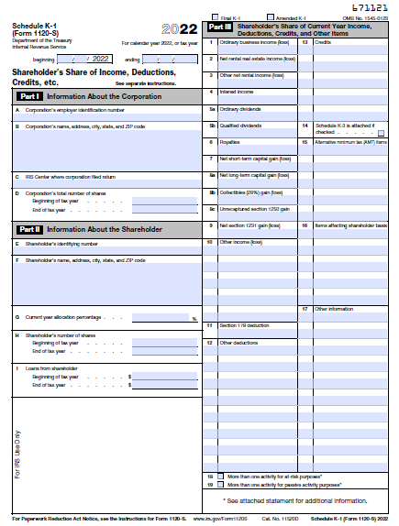
# | Filed description / Question | Field type | Mandatory? | Field type | Max Character Length | Comment
 | Year | Numeric | Yes | Number | 4 | If Tax Tear, Corporation’s EIN and Shareholder’s identifying number same, then do not enter same Schedule K-1
 | Corporation’s employer identification number | Text box | Yes | Number | 10 | Including Hyphen (-) it should be 10 Digits. Format 11-1111111
 | Corporation’s name, address, city, state, and ZIP code | Text box | Yes | AlphaNumeric | 50 Plus | Including Coma (,)
 | IRS center where Corporation filed return: | Text box | May be | AlphaNumeric | 5 Plus | Including Coma (,)
 | Corporation’s total number of shares | Text box | May be
 | Beginning of tax year | Text box | May be | Number |  | It's depend upon size of the corporation
 | End of tax year | Text box | May be | Number |  | It's depend upon size of the corporation
 | Shareholder’s identifying number | Text box | Yes | Number | 11 | Including Hyphen (-) it should be 11 Digits. Format 111-11-1111 Based on the dropdown which we selected it should auto flow from taxpayer tab. Ex:taxpayer/spouse.
 | Shareholder’s name, address, city, state, and ZIP code | Text box | Yes | AlphaNumeric | 50 Plus | Including Coma (,) Based on the dropdown which we selected it should auto flow from taxpayer tab. Ex:taxpayer/spouse.
 | Current year allocation percentage . | Text box | Yes | Number | Max length 3
 | Shareholder’s number of shares | Text box | May be
 | Beginning of tax year | Text box | May be | Number |  | It's depend upon size of the corporation and holding capacity of the shareholder
 | End of tax year | Text box | May be | Number |  | It's depend upon size of the corporation and holding capacity of the shareholder
 | Loans from shareholder | Text box | May be
 | Beginning of tax year | Text box | May be | Currency | Max length 10 | Including Dots (.) & Coma (,)
 | End of tax year | Text box | May be | Currency | Max length 10 | Including Dots (.) & Coma (,)
1 | Ordinary business income (loss) | Text box | May be | Currency | Max length 10 | Including Dots (.) & Coma (,)
2 | Net rental real estate income (loss) | Text box | May be | Currency | Max length 10 | Including Dots (.) & Coma (,)
3 | Other net rental income (loss) | Text box | May be | Currency | Max length 10 | Including Dots (.) & Coma (,)
4 | Interest income | Text box | May be | Currency | Max length 10 | Including Dots (.) & Coma (,)
5a | Ordinary dividends | Text box | May be | Currency | Max length 10 | Including Dots (.) & Coma (,)
5b | Qualified dividends | Text box | May be | Currency | Max length 10 | Including Dots (.) & Coma (,)
6 | Royalties | Text box | May be | Currency | Max length 10 | Including Dots (.) & Coma (,)
7 | Net short-term capital gain (loss) | Text box | May be | Currency | Max length 10 | Including Dots (.) & Coma (,)
8a | Net long-term capital gain (loss) | Text box | May be | Currency | Max length 10 | Including Dots (.) & Coma (,)
8b | Collectibles (28%) gain (loss) | Text box | May be | Currency | Max length 10 | Including Dots (.) & Coma (,)
8c | Unrecaptured section 1250 gain | Text box | May be | Currency | Max length 10 | Including Dots (.) & Coma (,)
9 | Net section 1231 gain (loss) | Text box | May be | Currency | Max length 10 | Including Dots (.) & Coma (,)
10 | Other income (loss) | Text box | May be | Currency | Max length 10 | Including Dots (.) & Coma (,) Boxes should be split into 2 boxes, 1st box for codes 2nd box for currency
11 | Section 179 deduction | Text box | May be | Currency | Max length 10 | Including Dots (.) & Coma (,)
12 | Other deductions | Text box | May be | Currency | Max length 10 | Including Dots (.) & Coma (,) Boxes should be split into 2 boxes, 1st box for codes 2nd box for currency
13 | Credits | Text box | May be | Currency | Max length 10 | Including Dots (.) & Coma (,) Boxes should be split into 2 boxes, 1st box for codes 2nd box for currency
14 | Schedule K-3 is attached if checked | Check box | May be | Other | Max length 1 | Tik mark
15 | Alternative minimum tax (AMT) items | Text box | No | Currency | Max length 10 | Including Dots (.) & Coma (,) Boxes should be split into 2 boxes, 1st box for codes 2nd box for currency
16 | Items affecting shareholder basis | Text box | May be | Currency | Max length 10 | Including Dots (.) & Coma (,) Boxes should be split into 2 boxes, 1st box for codes 2nd box for currency
17 | Other information | Text box | May be | Currency | Max length 10 | Including Dots (.) & Coma (,) Boxes should be split into 2 boxes, 1st box for codes 2nd box for currency
18 | More than one activity for at-risk purposes* | Check box | No | Other | Max length 1 | Tik mark
19 | More than one activity for passive activity purposes* | Check box | No | Other | Max length 1 | Tik mark

Schedule K-1 (1041)
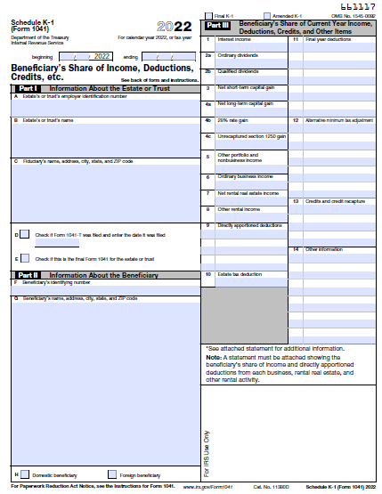
# | Filed description / Question | Field type | Mandatory? | Field type | Max Character Length | Comment
 | Year | Numeric | Yes | Number | 4 | If Tax Year, Estate’s or trust’s EIN and Beneficiary’s identifying number same, then do not enter same Schedule K-1
 | Estate’s or trust’s employer identification number | Text box | Yes | Number | 10 | Including Hyphen (-) it should be 10 Digits. Format 11-1111111
 | Estate’s or trust’s name | Text box | Yes | AlphaNumeric | 10 plus
 | Fiduciary’s name, address, city, state, and ZIP code | Text box | Yes | AlphaNumeric | 50 plus
 | Check if Form 1041-T was filed and enter the date it was filed | Check box & Text | No | Number | 11 | Including Hyphen (/) it should be 10 Digits for Date and Check Box 1
 | Check if this is the final Form 1041 for the estate or trust | Check box | No | Other | 1 | Check box length 1
 | Beneficiary’s identifying number | Text box | Yes | Number | 11 | Including Hyphen (-) it should be 11 Digits. Format 111-11-1111 Based on the dropdown which we selected it should auto flow from taxpayer tab. Ex:taxpayer/spouse.
 | Beneficiary’s name, address, city, state, and ZIP code | Text box | Yes | AlphaNumeric | 50 Plus | Based on the dropdown which we selected it should auto flow from taxpayer tab. Ex:taxpayer/spouse.
 | Domestic beneficiary | Check box | May be | Other | 1 | Check box length 1
 | Foreign beneficiary | Check box | May be | Other | 1 | Check box length 1
1 | Interest income | Text box | May be | Number | 10 | Length 10 including (.) and (,)
2a | Ordinary dividends | Text box | May be | Number | 10 | Length 10 including (.) and (,)
2b | Qualified dividends | Text box | May be | Number | 10 | Length 10 including (.) and (,)
3 | Net short-term capital gain | Text box | May be | Number | 10 | Length 10 including (.) and (,)
4a | Net long-term capital gain | Text box | May be | Number | 10 | Length 10 including (.) and (,)
4b | 28% rate gain | Text box | May be | Number | 10 | Length 10 including (.) and (,)
4c | Unrecaptured section 1250 gain | Text box | May be | Number | 10 | Length 10 including (.) and (,)
5 | Other portfolio and nonbusiness income | Text box | May be | Number | 10 | Length 10 including (.) and (,)
6 | Ordinary business income | Text box | May be | Number | 10 | Length 10 including (.) and (,)
7 | Net rental real estate income | Text box | May be | Number | 10 | Length 10 including (.) and (,)
8 | Other rental income | Text box | May be | Number | 10 | Length 10 including (.) and (,)
9 | Directly apportioned deductions | Text box | May be | AlphaNumeric | 33 | Length 10 including (.) and (,) for each amount box and 5 for Alphabets in each box before amount Boxes should be split into 2 boxes, 1st box for codes 2nd box for currency
10 | Estate tax deduction | Text box | May be | Number | 10 | Length 10 including (.) and (,)
11 | Final year deductions | Text box | May be | AlphaNumeric | 55 | Length 10 including (.) and (,) for each amount box and 5 for Alphabets in each box before amount Boxes should be split into 2 boxes, 1st box for codes 2nd box for currency
12 | Alternative minimum tax adjustment | Text box | May be | AlphaNumeric | 55 | Length 10 including (.) and (,) for each amount box and 5 for Alphabets in each box before amount Boxes should be split into 2 boxes, 1st box for codes 2nd box for currency
13 | Credits and credit recapture | Text box | May be | AlphaNumeric | 33 | Length 10 including (.) and (,) for each amount box and 3 for Alphabets in each boxes before amount Boxes should be split into 2 boxes, 1st box for codes 2nd box for currency
14 | Other information | Text box | May be | AlphaNumeric | 66 | Length 10 including (.) and (,) for each amount box and 6 for Alphabets in each box before amount Boxes should be split into 2 boxes, 1st box for codes 2nd box for currency

W-2G
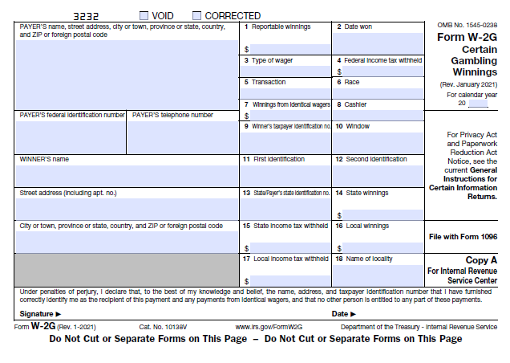
# | Filed description / Question | Field type | Mandatory? | Field type | Max Character Length | Comment
 | Year | Numeric | Yes | Number | 4 | If Tax year, PAYER’S federal identification number and Winner’s taxpayer identification no same, then do not enter same W-2G
 | PAYER’S name, street address, city or town, province or state, country, and ZIP or foreign postal code (Payer's name is enough) | Large text box | No | AlphaNumeric | 50 plus
 | PAYER’S federal identification number | Text box | Yes | Number | 10 | Including Hyphen (-) it should be 10 Digits. Format 11-1111111
 | PAYER’S telephone number | Text box | No | Number | 10
 | WINNER’S name | Text box | Yes | AlphaNumeric | 10 plus | Based on the dropdown which we selected it should auto flow from taxpayer tab. Ex:taxpayer/spouse.
 | Street address (including apt. no.) | Text box | Yes | AlphaNumeric | 25 plus | Auto flow is working but We need employee's adddress should be separate boxes like (Street Add,City, County,State and Zipcode)
 | City or town, province or state, country, and ZIP or foreign postal code | Text box | Yes | AlphaNumeric | 25 plus | Auto flow is working but We need employee's adddress should be separate boxes like (Street Add,City, County,State and Zipcode)
1 | Reportable winnings | Text box | Yes | Number | 10 | Length 10 including (.) and (,)
2 | Date won | Text box | Yes | Number | 10 | Including Hyphen (/)
3 | Type of wager | Text box | No | AlphaNumeric | 10 plus
4 | Federal income tax withheld | Text box | No | Number | 10 | Length 10 including (.) and (,)
5 | Transaction | Text box | Yes | AlphaNumeric | 10 plus
6 | Race | Text box | No | AlphaNumeric | 10 plus
7 | Winnings from identical wagers | Text box | No | Number | 10 | Length 10 including (.) and (,)
8 | Cashier | Text box | No | AlphaNumeric | 10 | Can be around 10 digits alphanumeric
9 | Winner’s taxpayer identification no | Text box | NO | Number | 11 | Including Hyphen (-) it should be 11 Digits
10 | Window | Text box | No | Number | 10 | Can be around 10 digits alphanumeric
11 | First identification | Text box | No | AlphaNumeric | 10 plus
12 | Second identification | Text box | No | Number | 11 | Including Hyphen (-) it should be 11 Digits
13 | State/Payer’s state identification no. | Text box | No | Number | 11 | Including Hyphen (-) it should be 11 Digits
14 | State winnings | Text box | No | Number | 10 | Length 10 including (.) and (,)
15 | State income tax withheld | Text box | No | Number | 10 | Length 10 including (.) and (,)
16 | Local winnings | Text box | No | Number | 10 | Length 10 including (.) and (,)
17 | Local income tax withheld | Text box | No | Number | 10 | Length 10 including (.) and (,)
18 | Name of locality | Text box | No | AlphaNumeric | 10

5498
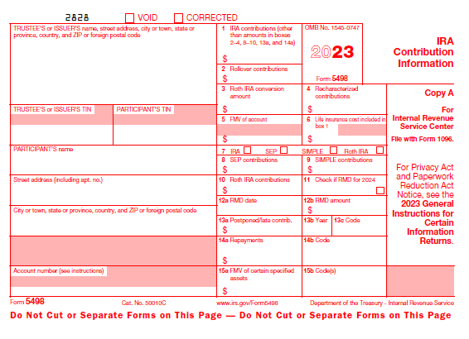
# | Field description / Question | Field type | Mandatory? | Field type | Max Character Length |  | Comment
 | Year | Numeric | Yes | Number | 4 |  | If Tax Year, TRUSTEE’S or ISSUER’S TIN, PARTICIPANT’S TIN and Account Number same, then do not enter same 5498
 | TRUSTEE’S or ISSUER’S name, street address, city or town, state or province, country, and ZIP or foreign postal code | Large text box | No | AlphaNumeric | 50 plus |  | Name required only.
 | TRUSTEE’S or ISSUER’S TIN | Text box | No | Number | 10 |  | Including Hyphen (-) it should be 10 Digits. Format 11-1111111
 | PARTICIPANT’S TIN | Text box | Yes | Number | 11 | ask | Including Hyphen (-) it should be 11 Digits. Format 111-11-1111
 | PARTICIPANT’S name | Text box | Yes | AlphaNumeric | 10 | done | Autoflow from taxpayer tab.
 | Street address (including apt. no.) | Text box | No | AlphaNumeric | 25 plus | done | Auto flow is working but We need employee's adddress should be separate boxes like (Street Add,City, County,State and Zipcode)
 | City or town, state or province, country, and ZIP or foreign postal code | Large text box | No | AlphaNumeric | 25 plus | done | Auto flow is working but We need employee's adddress should be separate boxes like (Street Add,City, County,State and Zipcode)
 | Account number (see instructions) | Text box | No | AlphaNumeric | 10 plus
1 | IRA contributions (other than amounts in boxes 2–4, 8–10, 13a, and 14a) | Text box | Yes | Number | 10 |  | Length 10 including (.) and (,)
2 | Rollover contributions | Text box | No | Number | 10 |  | Length 10 including (.) and (,)
3 | Roth IRA conversion amount | Text box | No | Number | 10 |  | Length 10 including (.) and (,)
4 | Recharacterized contributions | Text box | No | Number | 10 |  | Length 10 including (.) and (,)
5 | FMV of account | Text box | No | Number | 10 |  | Length 10 including (.) and (,)
6 | Life insurance cost included in box 1 | Text box | No | Number | 10 |  | Length 10 including (.) and (,)
7 | IRA/SEP/ SIMPLE/Roth IRA | Check box | Yes | Other | 4 |  | Four individual Check boxes
8 | SEP contributions | Text box | No | Number | 10 |  | Length 10 including (.) and (,)
9 | SIMPLE contributions | Text box | No | Number | 10 |  | Length 10 including (.) and (,)
10 | Roth IRA contributions | Text box | No | Number | 10 |  | Length 10 including (.) and (,)
11 | If checked, required minimum distribution for 2024 | Check box | No | Other | 1 |  | 1 Check Box
12a | RMD date | Text box | No | Number | 10 |  | Including Hyphen (/)
12b | RMD amount | Text box | No | Number | 10 |  | Length 10 including (.) and (,)
13a | Postponed/late contrib. | Text box | No | Number | 10 |  | Length 10 including (.) and (,)
13b | Year | Text box | No | Number | 4
13c | Code | Text box | No | AlphaNumeric | 10
14a | Repayments | Text box | No | Number | 10 |  | Length 10 including (.) and (,)
14b | Code | Text box | No | AlphaNumeric | 2
15a | FMV of certain specified assets | Text box | No | Number | 10 |  | Length 10 including (.) and (,)
15b | Code(s) | Text box | No | AlphaNumeric | 1 |  | One code will be of one alphabet

1098-E
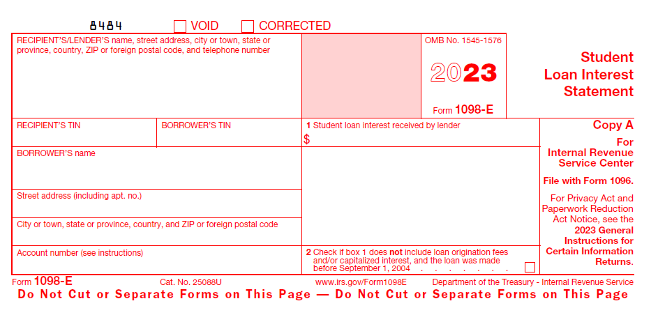
# | Filed description / Question | Field type | Mandatory? | Field type | Max Character Length |  | Comment
 | Year | Numeric | Yes | Number | 4 |  | If Tax Year, PAYER’S TIN, RECIPIENT’S TIN and Account Number same, then do not enter same 1098-E
 | RECIPIENT’S/LENDER’S name, street address, city or town, state or province, country, ZIP or foreign postal code, and telephone number | Large text box | No | AlphaNumeric | 50 plus |  | Only name required
 | RECIPIENT’S TIN | Text box | Yes | Number | 10 | EIN Format 2-7 numbers | Including Hyphen (-) it should be 11 Digits. Format 111-11-1111 here 10 digits format should be EIN 11-1111111
 | BORROWER’S TIN | Text box | Yes | Number | 11 | SSN format 3-2-4 numbers | Including Hyphen (-) it should be 10 Digits. Format 11-1111111 Based on the dropdown which we selected it should auto flow from taxpayer tab. Ex:taxpayer/spouse. here 11 digits format should be SSN 111-11-1111
 | BORROWER’S name | Text box | Yes | AlphaNumeric | 10 plus | done | Based on the dropdown which we selected it should auto flow from taxpayer tab. Ex:taxpayer/spouse.
 | Street address (including apt. no.) | Text box | Yes | AlphaNumeric | 25 plus | done | Auto flow is working but We need employee's adddress should be separate boxes like (Street Add,City, County,State and Zipcode)
 | City or town, state or province, country, and ZIP or foreign postal code | Text box | Yes | AlphaNumeric | 25 plus | done | Address boxes should be separate and we need auto flow of State ,city and County if we enter the Zipcode and adddress should be separate boxes like (Street Add,City, County,State and Zipcode)
 | Account number (see instructions) | Text box | No | AlphaNumeric | 10 plus
1 | Student loan interest received by lender | Text box | Yes | Number | 10 |  | Length 10 including (.) and (,)
2 | Check if box 1 does not include loan origination fees and/or capitalized interest, and the loan was made before September 1, 2004 | Check box | No | Other | 1

1098-Morgage Statement
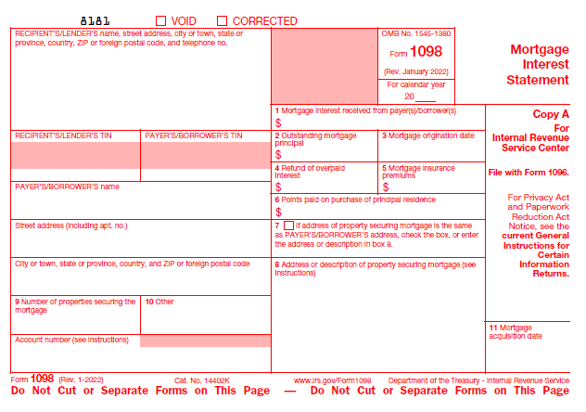
# | Filed description / Question | Field type | Mandatory? | Field type | Max Character Length |  | Comment
 | Year | Numeric | Yes | Number | 4 |  | If Tax year, PAYER’S TIN, RECIPIENT’S TIN and Account Number same, then do not enter same 1098
 | RECIPIENT’S/LENDER’S name, street address, city or town, state or province, country, ZIP or foreign postal code, and telephone no. | Large text box | Yes | AlphaNumeric | 50 Plus |  | on tax portal you mentioned Borrower's/Lender's change that
 | RECIPIENT’S/LENDER’S TIN | Text box | Yes | Number | 10 | done | Including Hyphen (-) it should be 11 Digits. Format 111-11-1111 here 10 digits format should be EIN 11-1111111
 | PAYER’S/BORROWER’S TIN | Text box | Yes | Number | 11 | done | Including Hyphen (-) it should be 10 Digits. Format 11-1111111 Based on the dropdown which we selected it should auto flow from taxpayer tab. Ex:taxpayer/spouse. here 11 digits format should be SSN 111-11-1111
 | PAYER’S/BORROWER’S name | Text box | Yes | AlphaNumeric | 10 Plus | done | Based on the dropdown which we selected it should auto flow from taxpayer tab. Ex:taxpayer/spouse.
 | Street address (including apt. no.) | Text box | Yes | AlphaNumeric | 20 Plus | done | Auto flow is working but We need employee's adddress should be separate boxes like (Street Add,City, County,State and Zipcode)
 | City or town, state or province, country, and ZIP or foreign postal code | Text box | Yes | AlphaNumeric | 20 Plus | done | Auto flow is working but We need employee's adddress should be separate boxes like (Street Add,City, County,State and Zipcode)
 | Account number (see instructions) | Text box | No | AlphaNumeric | 12 Plus |  | Including Hyphen (-)
1 | Mortgage interest received from payer(s)/borrower(s) | Text box | Yes | Currency | 10 |  | Including Comma and Dot (.)
2 | Outstanding mortgage principal | Text box | Yes | Currency | 10 |  | Including Comma and Dot (.)
3 | Mortgage origination date | Text box | Yes | Number | 10 |  | Including Slash
4 | Refund of overpaid interest | Text box | No | Currency | 10 |  | Including Comma and Dot (.)
5 | Mortgage insurance premiums | Text box | No | Currency | 10 |  | Including Comma and Dot (.)
6 | Points paid on purchase of principal residence | Text box | No | Currency | 10 |  | Including Comma and Dot (.)
7 | If address of property securing mortgage is the same as PAYER’S/BORROWER’S address, check the box, or enter the address or description in box 8. | Check box | No | Other | 1
8 | Address or description of property securing mortgage (box 8) | Text box | No | AlphaNumeric | 20 Plus
9 | Number of properties securing the mortgage | Text box | No | Number | 1
10 | Other | Text box | No | Other | 10 Plus
11 | Mortgage acquisition date | Text box | No | Number | 10 |  | Including Slash

1098-T
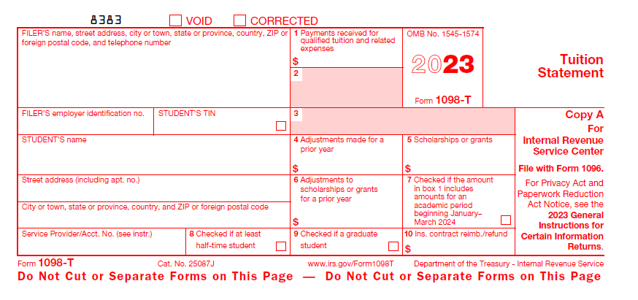
# | Filed description / Question | Field type | Mandatory? | Field type | Max Character Length |  | Comment
 | Year | Numeric | Yes | Number | 4 |  | If Tax Year, FILER’S employer identification no and STUDENT’S TIN same, then do not enter same 1098-T
 | Filer's Name and complete address | Large text box | Yes | AlphaNumeric | 50 Plus
 | Filer's EIN | Text box | Yes | Number | 10 |  | Including Hyphen (-) it should be 10 Digits. Format 11-1111111
 | Student's TIN | Text box | Yes | Number | 11 | ask | Including Hyphen (-) it should be 11 Digits. Format 111-11-1111
 | Student's Name | Text box | Yes | AlphaNumeric | 20 Plus | done | it should flow from basic information of tax payer tab insert dropdwon as taxpayer/spouse/dependant. Once selected dropdown it should be autoflow.
 | Street Address | Text box | Yes | AlphaNumeric | 20 Plus | done | Auto flow is working but We need employee's adddress should be separate boxes like (Street Add,City, County,State and Zipcode)
 | City,state,country, Zip code | Text box | Yes | AlphaNumeric | 20 Plus | done | Auto flow is working but We need employee's adddress should be separate boxes like (Street Add,City, County,State and Zipcode)
 | Service Provider/Account no. | Text box | No | Other | 20 Plus
1 | Payments received for qualified tuition and related expenses | Text box | Yes | Currency | 10 |  | Including Comma and Dot (.)
2 | Blank |  |  |  | NA
3 | Blank |  |  |  | NA
4 | Adjustments made for a prior year | Text box | No | Currency | 10 |  | Including Comma and Dot (.)
5 | Scholarships or grants | Text box | No | Currency | 10 |  | Including Comma and Dot (.)
6 | Adjustments to scholarships or grants for a prior year | Text box | No | Currency | 10 |  | Including Comma and Dot (.)
7 | Checked if the amount in box 1 includes amounts for an academic period beginning January–March 2024 | Check box | No | Other | 1
8 | Checked if at least half-time student | Check box | No | Other | 1
9 | Checked if a graduate student | Check box | No | Other | 1
10 | Ins. contract reimb./refund | Text box | No | Number | 20 Plus

1099-Q
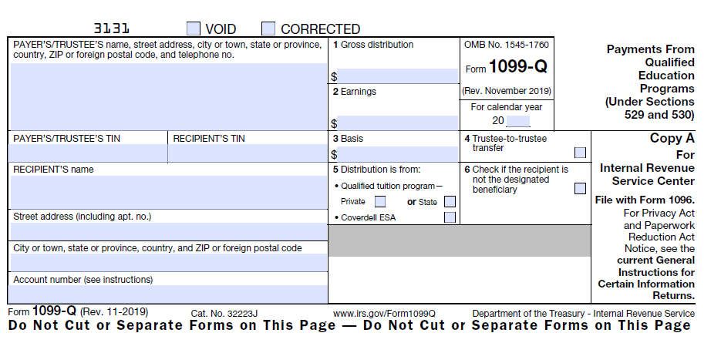
# | Filed description / Question | Field type | Mandatory? | Field type | Max Character Length | Comment
 | Year | Numeric | Yes | Number | 4 | If Tax Year, PAYER’S TIN, RECIPIENT’S TIN and Account Number same, then do not enter same 1099-Q
 | PAYER’S/TRUSTEE’S name, street address, city or town, state or province, country, ZIP or foreign postal code, and telephone no. | Large text box | Yes | AlphaNumeric | 50 Plus
 | PAYER’S/TRUSTEE’S TIN | Text box | Yes | Number | 10 | Including Hyphen (-) it should be 10 Digits. Format 11-1111111
 | RECIPIENT’S TIN | Text box | Yes | Number | 11 | Including Hyphen (-) it should be 11 Digits. Format 111-11-1111
 | RECIPIENT’S name | Text box | Yes | AlphaNumeric | 20 Plus | Autoflow from taxpayer tab.
 | Street address (including apt. no.) | Text box | Yes | AlphaNumeric | 20 plus | Auto flow is working but We need employee's adddress should be separate boxes like (Street Add,City, County,State and Zipcode)
 | City or town, state or province, country, and ZIP or foreign postal code | Text box | Yes | AlphaNumeric | 20 Plus | Auto flow is working but We need employee's adddress should be separate boxes like (Street Add,City, County,State and Zipcode)
 | Account number (see instructions) | Text box | Yes | AlphaNumeric | 20 Plus | Autoflow from taxpayer tab.
1 | Gross distribution | Text box | Yes | Currency | 10 | Including Comma and Dot (.)
2 | Earnings | Text box | No | Currency | 10 | Including Comma and Dot (.)
3 | Basis | Text box | No | Currency | 10 | Including Comma and Dot (.)
4 | Trustee-to-trustee transfer | Check box | No | Other | 1
5 | Distribution is from: Qualified tuition program—Private/State/Coverdell ESA | Check box | Yes | Other | 1 | need separate check boxes for Private and State and Coverdell ESA
6 | Check if the recipient is not the designated beneficiary | Check box | No | Other | 1

1095-A
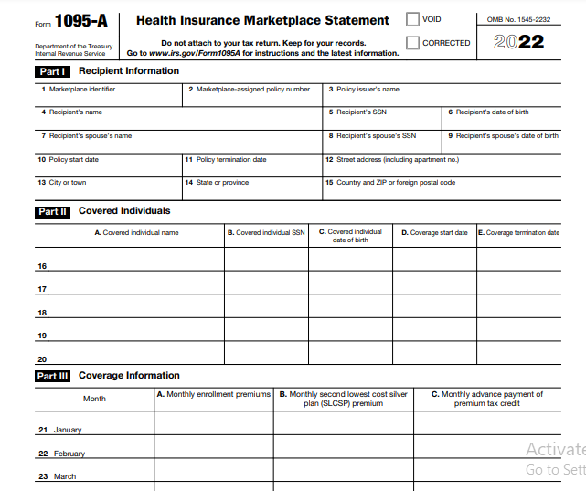
# | Filed description / Question | Field type | Mandatory? | Field type | Max Character Length | Comment
 | Year | Numeric | Yes | Number | 4 | If Tax Year,Marketplace identifier, Marketplace-assigned policy number,Policy issuer’s name,Recipient’s name andRecipient’s SSN same, then do not enter same 1095-A
 | PART-I Receipient Information
1 | Markeplace identifier | Text box | Yes | Number | 10 Plus | Including Hyphen (-)
2 | Marketplace-assigned policy number | Numeric | Yes | Number | 10 Plus
3 | Policy Issuer's name | Text box | Yes | AlphaNumeric | 20 Plus
4 | Recipient’s name | Text box | Yes | AlphaNumeric | 20 Plus | Autoflow from taxpayer tab.
5 | Recipient’s SSN | Text box | Yes | Number | 11 | Including Hyphen (-) it should be 11 Digits. Format 111-11-1111 Autoflow from taxpayer tab.
6 | Recipient's date of birth | Text box | Yes | Number | 10 | Including Hyphen (/) Autoflow from taxpayer tab.
7 | Recipient's spouse's name | Text box | Yes | AlphaNumeric | 20 Plus | Autoflow from taxpayer tab.
8 | Recipient's spouse's SSN | Text box | Yes | Number | 11 | Including Hyphen (-) it should be 11 Digits. Format 111-11-1111 Autoflow from taxpayer tab.
9 | Recipient's spouse's date of birth | Text box | Yes | Number | 10 | Including Hyphen (/) Autoflow from taxpayer tab.
10 | Policy start date | Text box | Yes | Number | 10 | Including Hyphen (/) | a
11 | Policy termination date | Text box | Yes | Number | 10 | Including Hyphen (/)
12 | Street address | Text box | Yes | AlphaNumeric | 20 plus
13 | City or town | Text box | Yes | AlphaNumeric | 20 plus
14 | State or povince | Text box | Yes | AlphaNumeric | 20 plus
15 | Country and ZIP or forein postal code | Text box | Yes | AlphaNumeric | 20 plus
16-20 | PART-II Covered Individuals
 | A. Covered individual name | Text box | Yes | AlphaNumeric | 20 Plus
 | B. Covered individual SSN | Text box | Yes | Number | 11 | Including Hyphen (-) it should be 11 Digits. Format 111-11-1111
 | C. Covered individual date of birth | Text box | Yes | Number | 10 | Including Hyphen (/)
 | D. Coverage start date | Text box | Yes | Number | 10 | Including Hyphen (/)
 | E. Coverage Termination date | Text box | Yes | Number | 10 | Including Hyphen (/)
21-33 | Part-III Coverage Information
 | month | Large text box | Yes | AlphaNumeric | 10
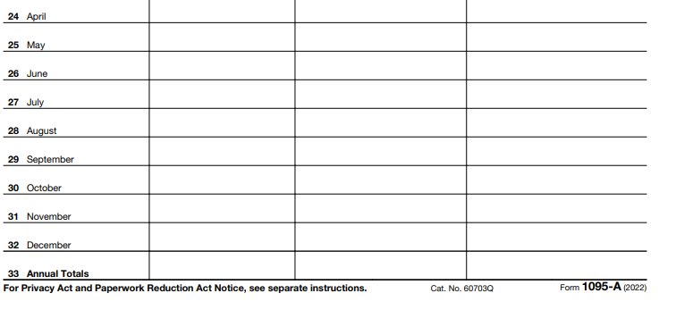
 | A. Monthly enrollement premiums | Numeric | Yes | Currency | 10 | Including Comma and Dot (.)
 | B. Monthly second lowest cost silver plan (SLCSP) premium | Numeric | Yes | Currency | 10 | Including Comma and Dot (.)
 | C. Monthly advece payment of premium tax credit | Numeric | Yes | Currency | 10 | Including Comma and Dot (.)

5498-SA
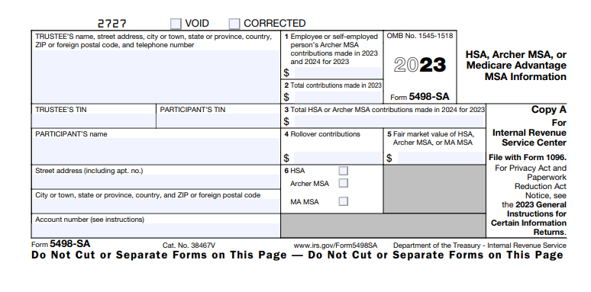
# | Field description / Question | Field type | Mandatory? | Field type | Max Character Length |  | Comment
 | Year | Numeric | Yes | Number | 4 |  | If Tax Year, TRUSTEE’S or ISSUER’S TIN, PARTICIPANT’S TIN and Account Number same, then do not enter same 5498
 | TRUSTEE’S or ISSUER’S name, street address, city or town, state or province, country, and ZIP or foreign postal code | Large text box | Yes | AlphaNumeric | 50 plus | working | Name only required.
 | TRUSTEE’S or ISSUER’S TIN | Numeric | May be | Number | 10 |  | Including Hyphen (-) it should be 10 Digits. Format 11-1111111
 | PARTICIPANT’S TIN | Numeric | Yes | Number | 11 | ask | Including Hyphen (-) it should be 11 Digits. Format 111-11-1111 Based on the dropdown which we selected it should auto flow from taxpayer tab. Ex:taxpayer/spouse.
 | PARTICIPANT’S name | Text box | Yes | AlphaNumeric | 10 | done | Based on the dropdown which we selected it should auto flow from taxpayer tab. Ex:taxpayer/spouse.
 | Street address (including apt. no.) | Text box | Yes | AlphaNumeric | 25 plus | done | Auto flow is working but We need employee's adddress should be separate boxes like (Street Add,City, County,State and Zipcode)
 | Street address (including apt. no.) | Large text box | Yes | AlphaNumeric | 25 plus | done | Auto flow is working but We need employee's adddress should be separate boxes like (Street Add,City, County,State and Zipcode)
 | Account number (see instructions) | Numeric | No | AlphaNumeric | 10 plus
1 | Employee or self employed person's archer MSA contributions made | Numeric | Yes | Number | 10 |  | Length 10 including (.) and (,)
2 | Total Contributions | Numeric | Yes | Number | 10 |  | Length 10 including (.) and (,)
3 | Total HSA or Archer MSA contributions made in | Numeric | May be | Number | 10 | ask | Length 10 including (.) and (,)
4 | Rollover contributions | Numeric | No | Number | 10 | ask | Length 10 including (.) and (,)
5 | FMV of HSA, Archer MSA, or MA MSA | Numeric | Yes | Number | 10 |  | Length 10 including (.) and (,)
6 | HSA/Archer MSA/MA MSA | Check box | Yes | Other | 3 |  | Three individual Check boxes

1099-SA
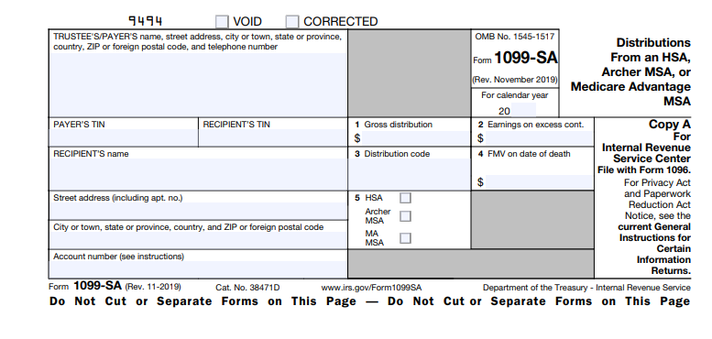
# | Field description / Question | Field type | Mandatory? | Field type | Max Character Length | Comment
 | Year | Numeric | Yes | Number | 4 | If Tax Year, TRUSTEE’S or ISSUER’S TIN, PARTICIPANT’S TIN and Account Number same, then do not enter same 1099-SA
 | TRUSTEE’S or ISSUER’S name, street address, city or town, state or province, country, and ZIP or foreign postal code | Large text box | Yes | AlphaNumeric | 50 plus | Name only required.
 | TRUSTEE’S or ISSUER’S TIN | Numeric | Yes | Number | 10 | Including Hyphen (-) it should be 10 Digits. Format 11-1111111
 | RECIPIENT'S name | Numeric | Yes | Number | 11 | Including Hyphen (-) it should be 11 Digits. Format 111-11-1111 Based on the dropdown which we selected it should auto flow from taxpayer tab. Ex:taxpayer/spouse.
 | RECIPIENT'STIN | Text box | Yes | AlphaNumeric | 10 | Based on the dropdown which we selected it should auto flow from taxpayer tab. Ex:taxpayer/spouse.
 | Street address (including apt. no.) | Text box | Yes | AlphaNumeric | 25 plus | Auto flow is working but We need employee's adddress should be separate boxes like (Street Add,City, County,State and Zipcode)
 | Street address (including apt. no.) | Large text box | Yes | AlphaNumeric | 25 plus | Auto flow is working but We need employee's adddress should be separate boxes like (Street Add,City, County,State and Zipcode)
 | Account number (see instructions) | Numeric | Yes | AlphaNumeric | 10 plus
1 | Gross distribution | Numeric | Yes | Number | 10 | Length 10 including (.) and (,)
2 | Earnings on excess cont. | Numeric | Yes | Number | 10 | Length 10 including (.) and (,)
3 | Distribution code | Numeric | Yes | Number | 10 | Length 10 including (.) and (,)
4 | FMV on date of death | Numeric | No | Number | 10 | Length 10 including (.) and (,)
5 | HSA and Archer MSA and MA MSA | Check box | Yes | Other | 3 | Three individual Check boxes

